VS Code SET-UP
STEPS
 | s
STEP-1
*We are using python version 3.9 Use below link to Download
Link to Download Python
*After Following the above link you can see few files like below
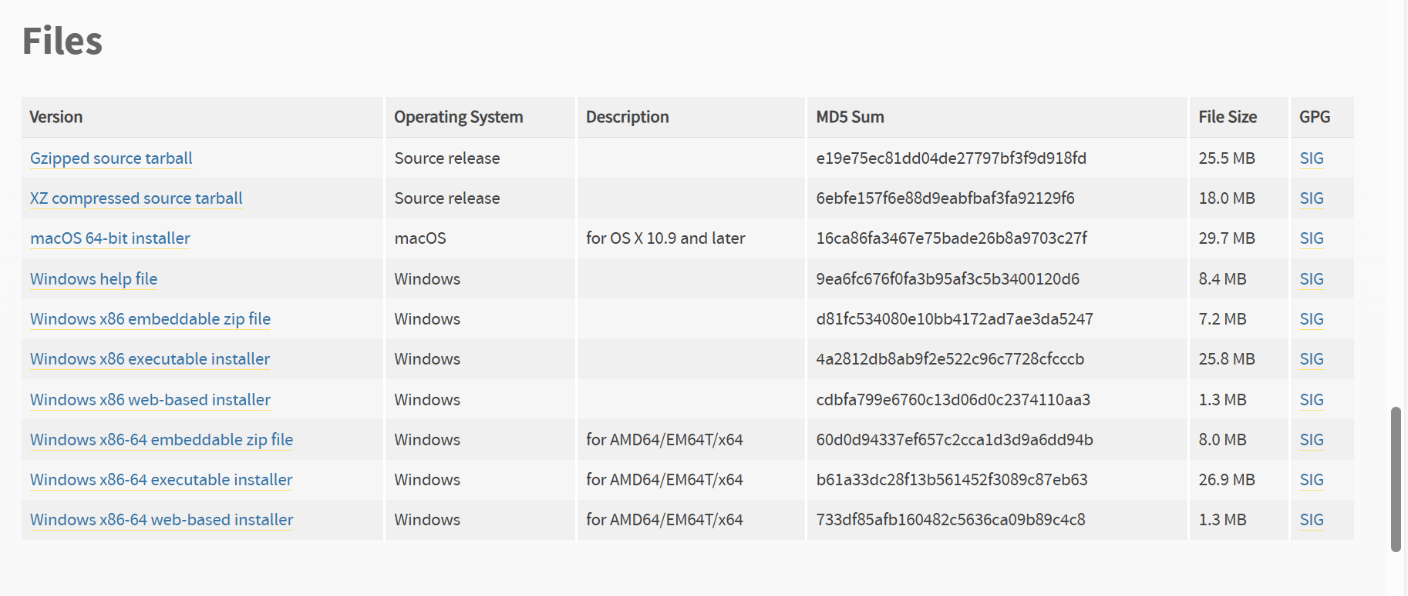

*Here select Windows x86-64 executable installer Download and Install.

** While installing make sure to tick the box for Add python 3.9 to PATH

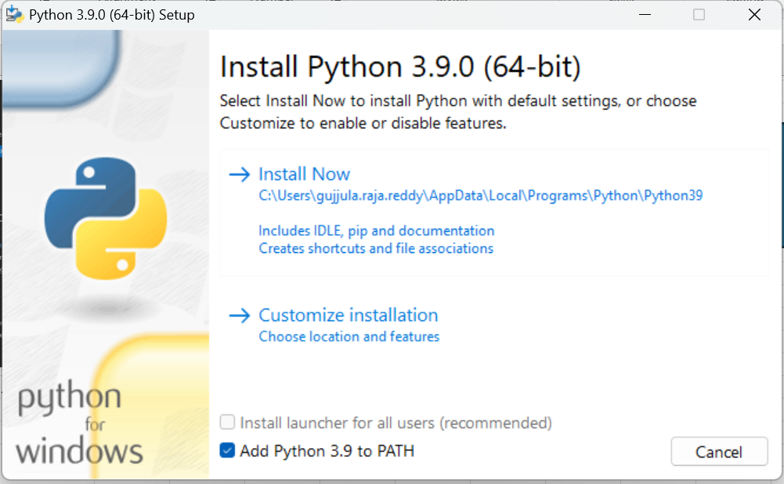

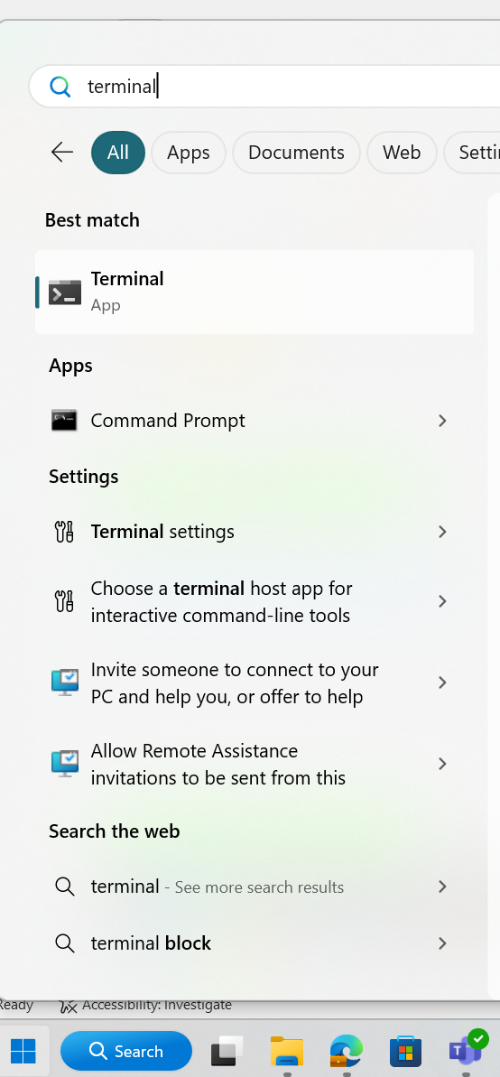

STEP-2 |  | Press enter
*Installing Required Python Packages
*Open Terminal in the your laptop and type the below code and run it
pip install pandas==2.2.3 pywin32==308 openpyxl==3.1.5

STEP-3
* Open VS Code go to extensions then search for Python extension for Visual Studio Code.You should be able to find something like below
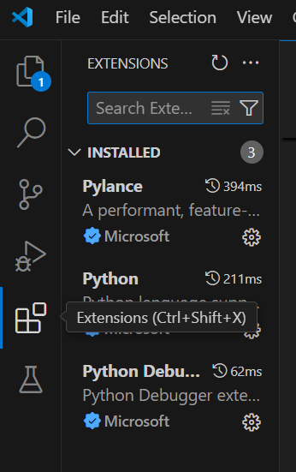
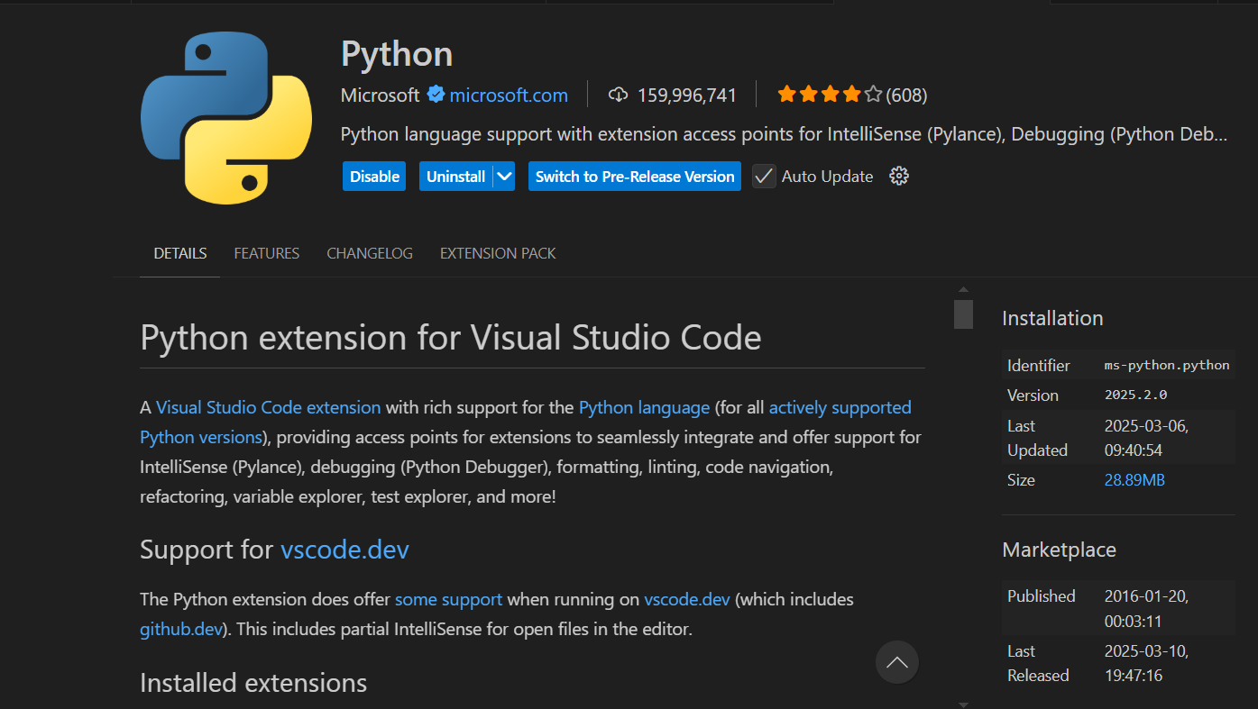

*Install it and Enable.

__________________________________END______________________________________

Input file Guidelines
STEPS

STEP-1

** Currently we are using バッチ一覧_v1.00 as Input File and also Target column name is pre added

** In future if you want to change the input file Please download it and move it to input Folder.
** follow below guide lines to add Target column and for selecting target Inputs
**Information about How to add new input file name to the code is given in the Ouput Sheet.

* Please name the first column as Target like below

STEP-2

* To select the specific Input's please mark their respective cells in the Tagert column like below
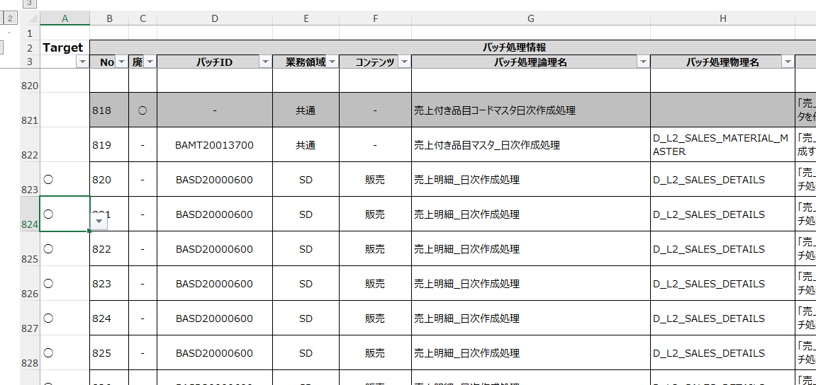

* we are using this symbol (○) to mark our required rows.

*Here our code will decide the target tables from the Batch Processing Physical Name

Extra Information about Input folder.

*In the input file folder along with our input file(バッチ一覧_v1.00) you can see few other files like below.

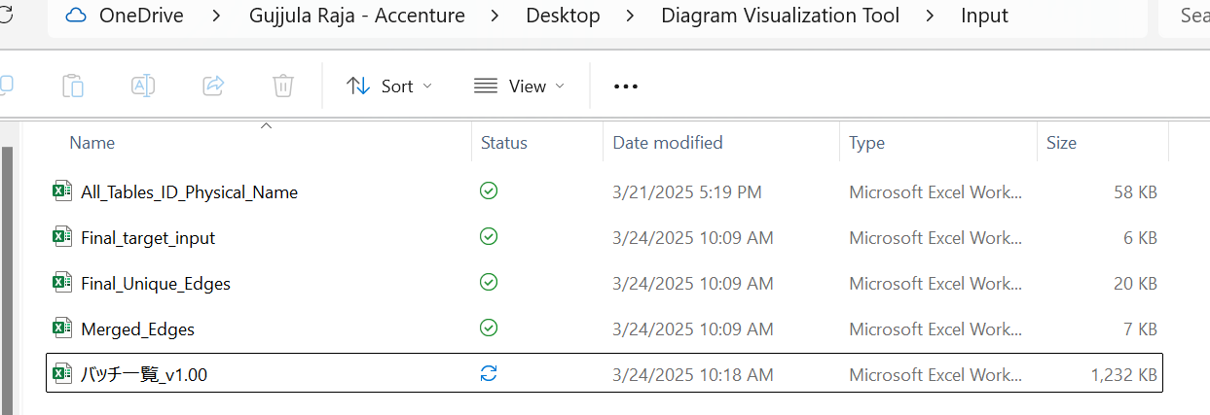

 | All_Tables_ID_Physical_Name | *This file we are using to get the Table ID using Table Physicsal Name

 | Final_target_input | *This file have the information about our target tables means the tables for which we are generating the diagram.

 | Final_Unique_Edges | * This file contains the information about the input,output tables after eliminating TBMT and WK tables.

 | Merged_Edges | *This file contains the information of input and output tables that areonly related to our target tables.

 | バッチ一覧_v1.00 | *This file is our input file

__________________________________END______________________________________

Output
STEPS

STEP-1

* Download the Tool file from below link
Link to Folder

*Please store the folder in your laptop

STEP-2

*In Diagram visualization Tool folder go to Code folder then Open the Tool_Code in VS Code like below.

*After opening the code in VS Code please press ctrl+shift+P you will get option like this like below

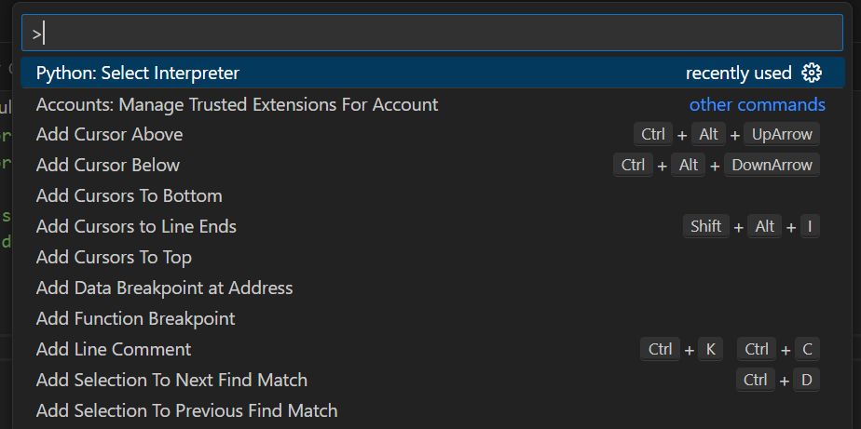

* Here search for Python: Select Interpreter and we need to select our required python version (i.e python 3.9)

STEP-3

*Before running the file we need to give the sample data's directory ( File Location )

* Go to input file location and copy the path like below( Here バッチ一覧_v1.00 is my Input file and Tool_Code is the python code to generate our output)

STEP-4

*for taking user's folder paths we created one more python code.

*Open Input_paths python code in Visual Studio Code.

There are total 3 changes required so, In the code I mentioned where to change. Please look for comments like below.

*For our current code below are the instructions for changing paths :-

*CHANGE-1
*In Line 4 give your sample name along with path by adding “\” *For getting path go to Input Folder

*change old path to = r"Your path\バッチ一覧_v1.00.xlsx(Input File Name)"

*My input file name is same as written in the code so I just change the path to that I copied in the last step without changing sample file name

*CHANGE-2 ( Line 7)
*In the line input_folder_path change it to =r"Your local path"

*CHANGE-3 ( Line 10)
*In the line output_folder_path change it to =r"Your local path"

*Save changes using ctrl+s

STEP-5

* Now our set-up is ready and Input is also ready

*To run the file Go to play button in the right top → run python file botton
*warning!! Before Runing the code please close the input file.

*If you give your target input and did everything correctly as mentioned then after execution you will get message like below

*You can get the output file name from terminal

Warnings

* Please make sure to select your required rows correctly….

__________________________________END______________________________________

